Sheet1
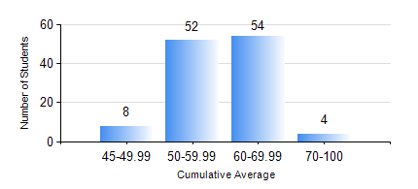
 |  |  | KWAME NKRUMAH UNIVERSITY OF SCIENCE AND TECHNOLOGY, KUMASI Department of Mechanical Engineering

 |  |  | BSC. AUTOMOBILE ENG.

 |  |  | COMPREHENSIVE RECORD OF EXAMINATION RESULTS

 |  |  | RESULTS OF YEAR 4 SECOND SEMESTER, 2023/2024 ACADEMIC YEAR

 | Sn | Course Code |  | Course Name | Credit Hours | Min. Mark | Max. Mark | Avg. Mark | Std. Dev. | No. Passed | No. Trailed | No. (Df) | No. (I) | No. (I*) | No. Tagged(I,I*,Df) | Total
 | 1. | AME 476 |  | MODERN AUTOMOBILE TECHNOLOGY | 3 | 14 | 94 | 72 | 12.5 | 117 | 1 | 0 | 0 | 0 | 0 | 118
 | 2. | AME 482 |  | SPECIAL VEHICLE DESIGN | 2 | 41 | 74 | 56 | 8.8 | 118 | 0 | 0 | 0 | 0 | 0 | 118
 | 3. | AME 496 |  | VEHICLE MAINTENANCE AND REGULATION | 2 | 40 | 86 | 64 | 9.83 | 118 | 0 | 0 | 0 | 0 | 0 | 118
 | 4. | AME 498 |  | FINAL YEAR PROJECT II | 5 | 58 | 76 | 68 | 4.22 | 118 | 0 | 0 | 0 | 0 | 0 | 118
 | 5. | ME 456 |  | INTRODUCTION TO FINITE ELEMENT | 3 | 42 | 83 | 58 | 10.86 | 112 | 0 | 0 | 6 | 0 | 6 | 118
 | 6. | ME 492 |  | MANAGEMENT AND ENTREPRENEURSHIP DEVELOPMENT | 2 | 40 | 73 | 59 | 7.35 | 117 | 0 | 0 | 1 | 0 | 1 | 118

